Screen View of Defects
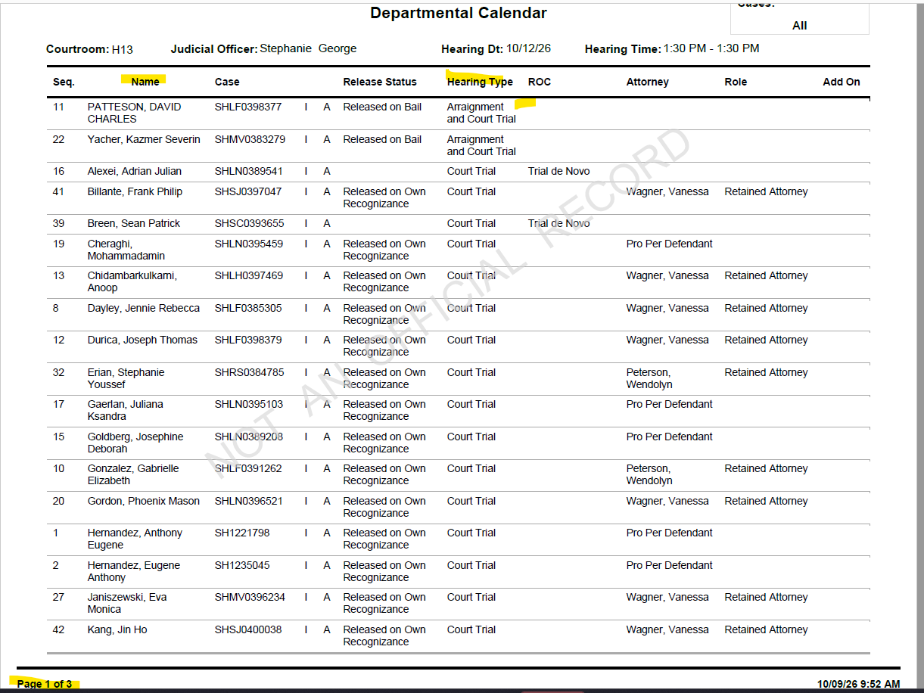
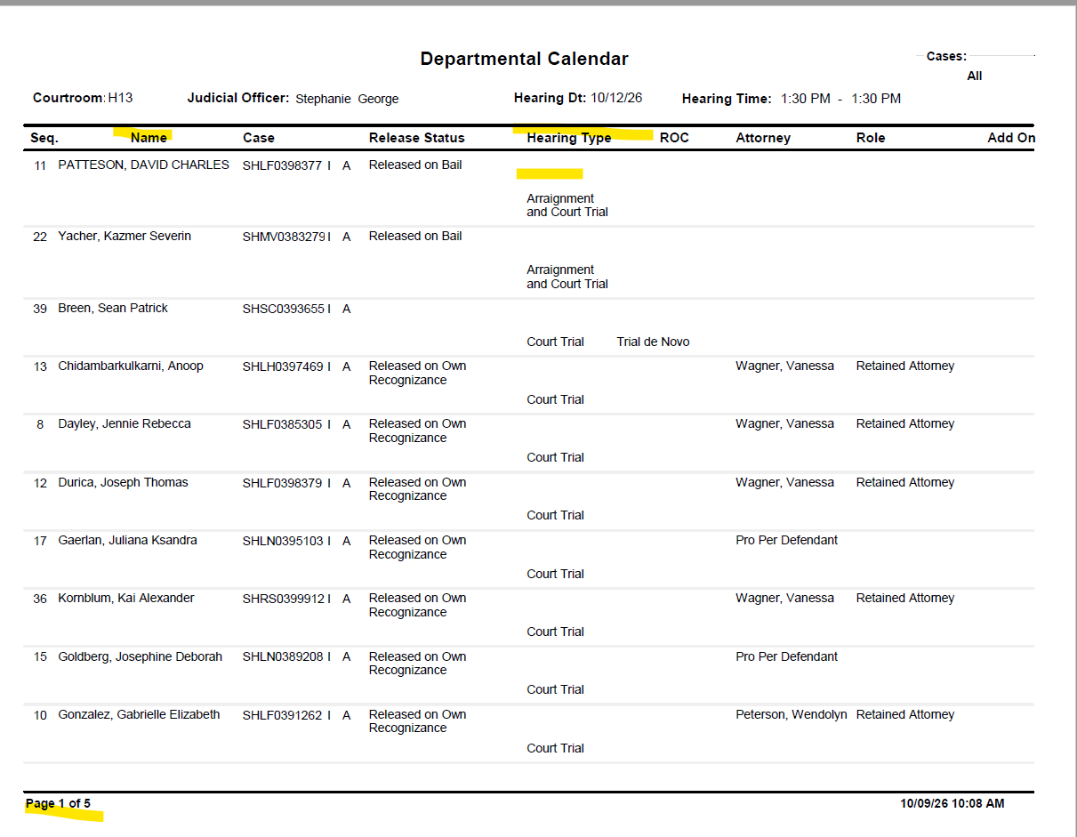
#1 | F3 - Refresh is leaving the top portion and not putting back the window default |  | Window default when you first open it

#19 | NG Department print out - Name column is wrap | Old window print out - Name column is not wrap

